UP 325B OFFLINE
.
 | UPLOAD 325B |  |  |  |  |  |  | Offline : 19 September'26
 | NO | GAMBAR | DESKRIPSI | PRICE | WARNA | SIZE | SKU | QTY | TOTAL

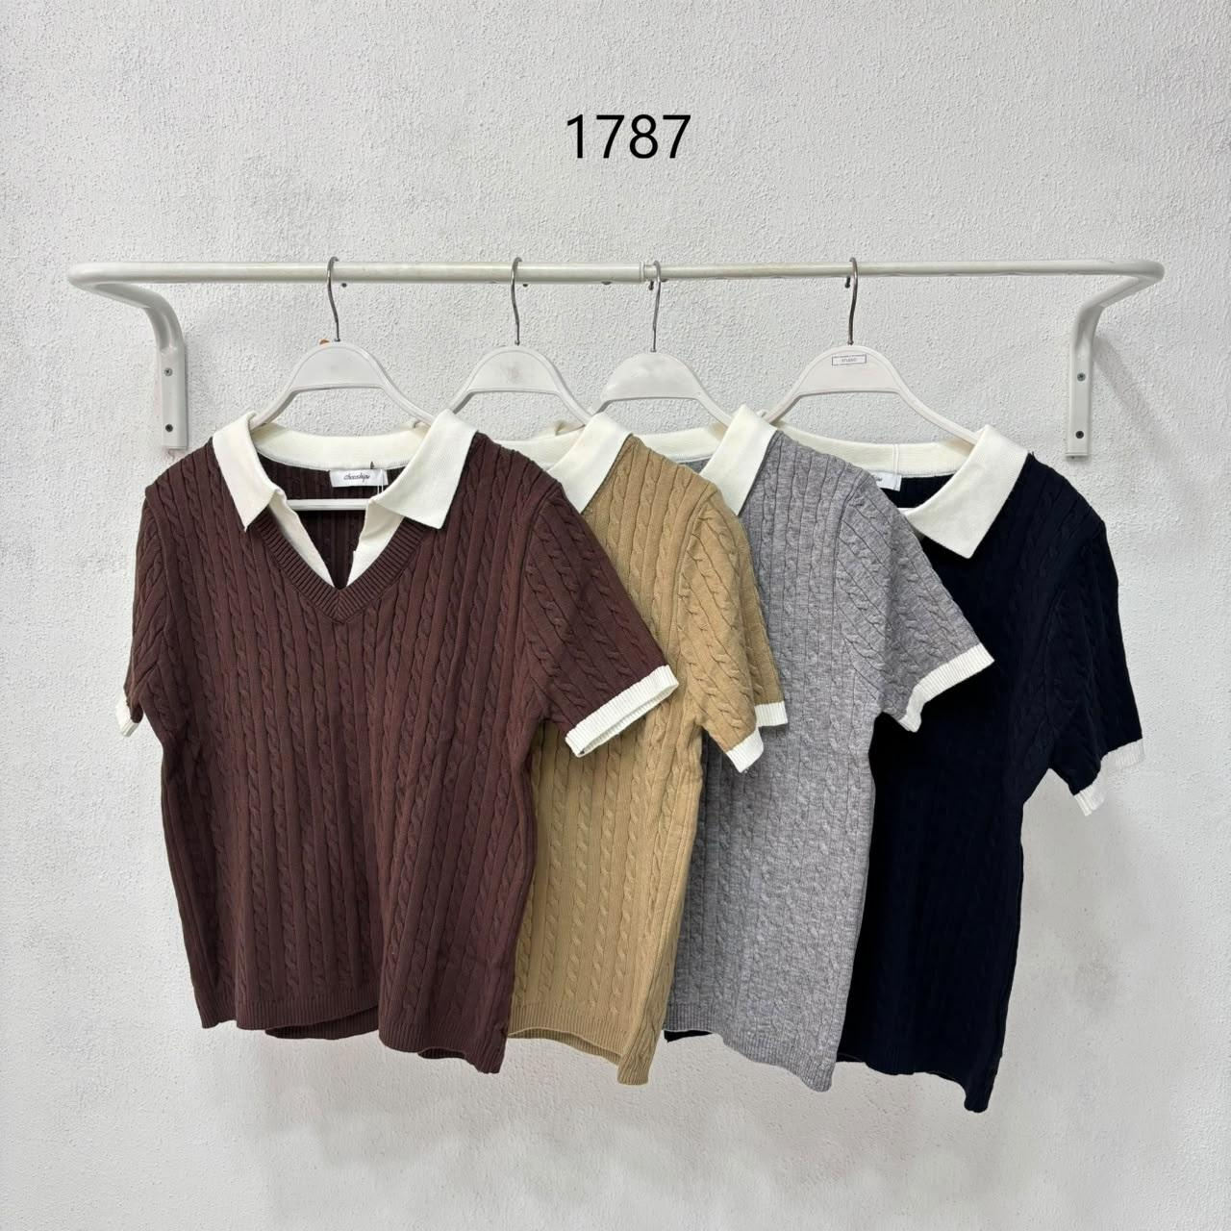
 | 1 |  | 1787
 |  |  | Quisera Top | 315,000 | Brown | Default | F26ITN816BN | 78 | 378
 |  |  |  |  | Grey | Default | F26ITN816GY | 100
 |  |  |  |  | Latte | Default | F26ITN816LA | 100
 |  |  |  |  | Navy | Default | F26ITN816NV | 100

 |  |  |  |  |  |  |  |  |  | chocoWH123!

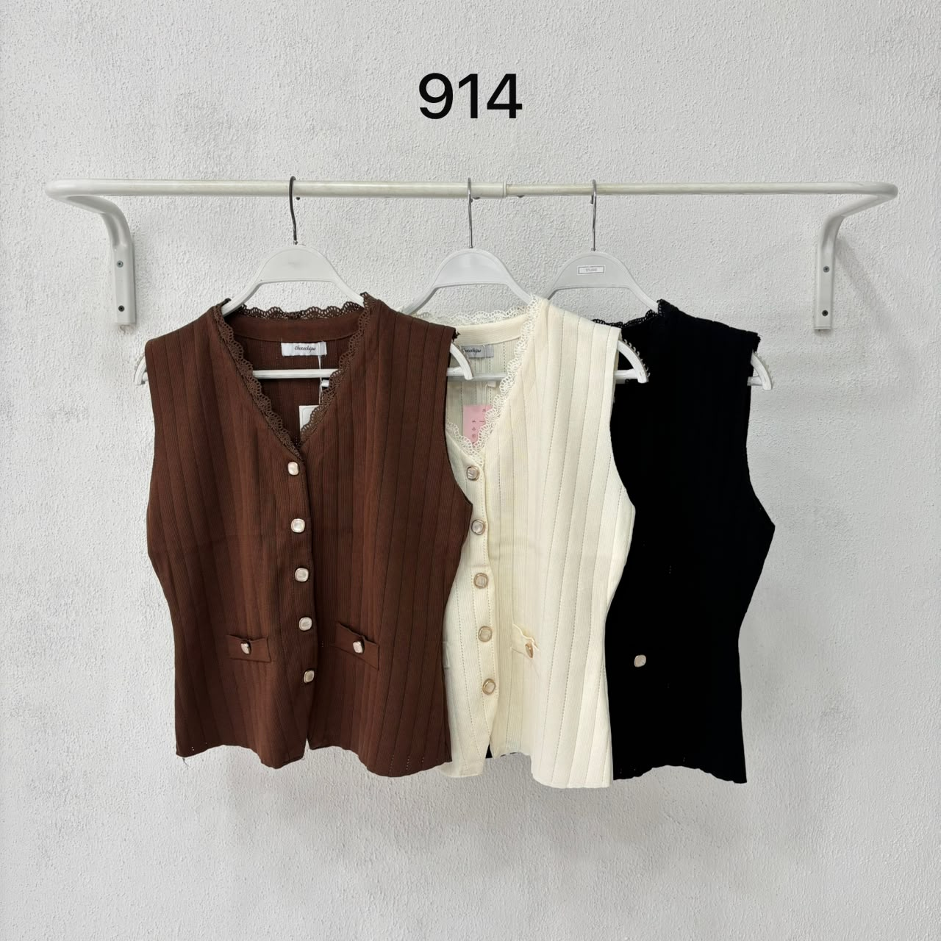
 | 2 |  | 914
 |  |  | Saveria Top | 395,000 | Black | Default | F26ITN817BA | 100 | 299
 |  |  |  |  | Brown | Default | F26ITN817BN | 100
 |  |  |  |  | Cream | Default | F26ITN817CR | 99

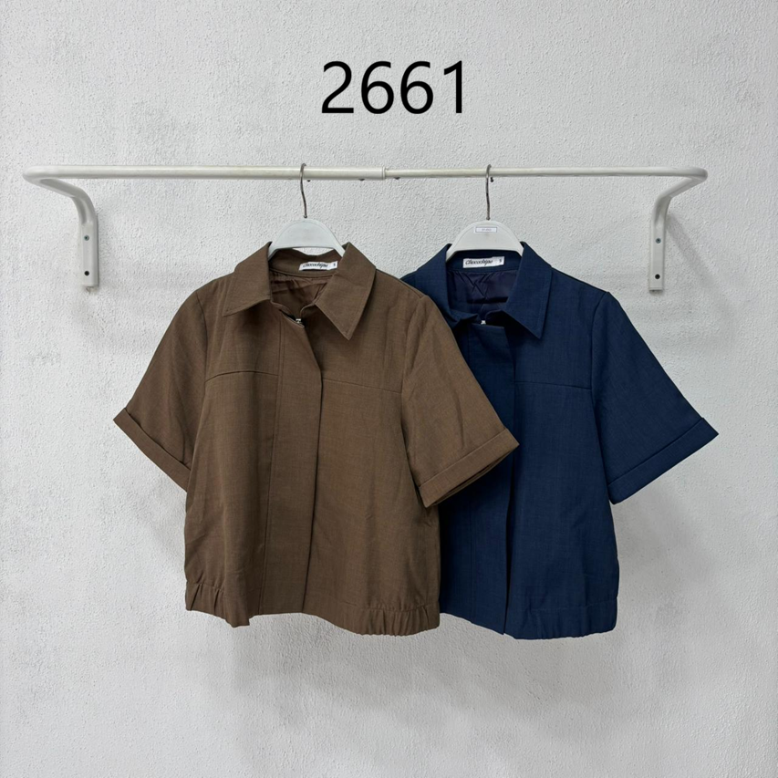
 | 3 |  | 2661
 |  |  | Maple Top | 450,000 | Brown | S | F26GTN779BNS | 56 | 288
 |  |  |  |  |  | M | F26GTN779BNM | 41
 |  |  |  |  |  | L | F26GTN779BNL | 31
 |  |  |  |  |  | XL | F26GTN779BNXL | 20
 |  |  |  |  | Navy | S | F26GTN779NVS | 36
 |  |  |  |  |  | M | F26GTN779NVM | 54
 |  |  |  |  |  | L | F26GTN779NVL | 30
 |  |  |  |  |  | XL | F26GTN779NVXL | 20

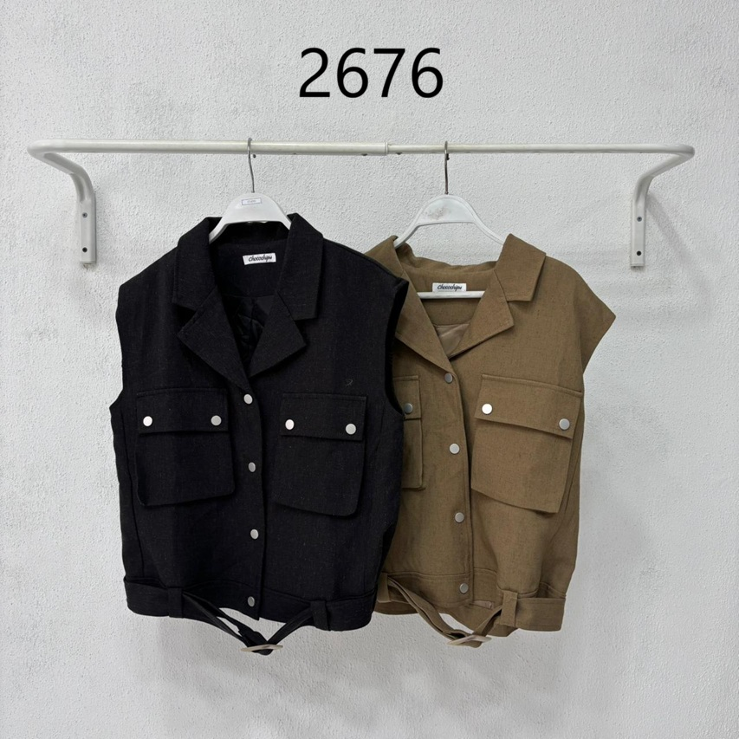
 | 4 |  | 2676
 |  |  | Maggie Top | 475,000 | Dark Grey | Default | F26GTN781BA | 62 | 124
 |  |  |  |  | Khaki | Default | F26GTN781KH | 62

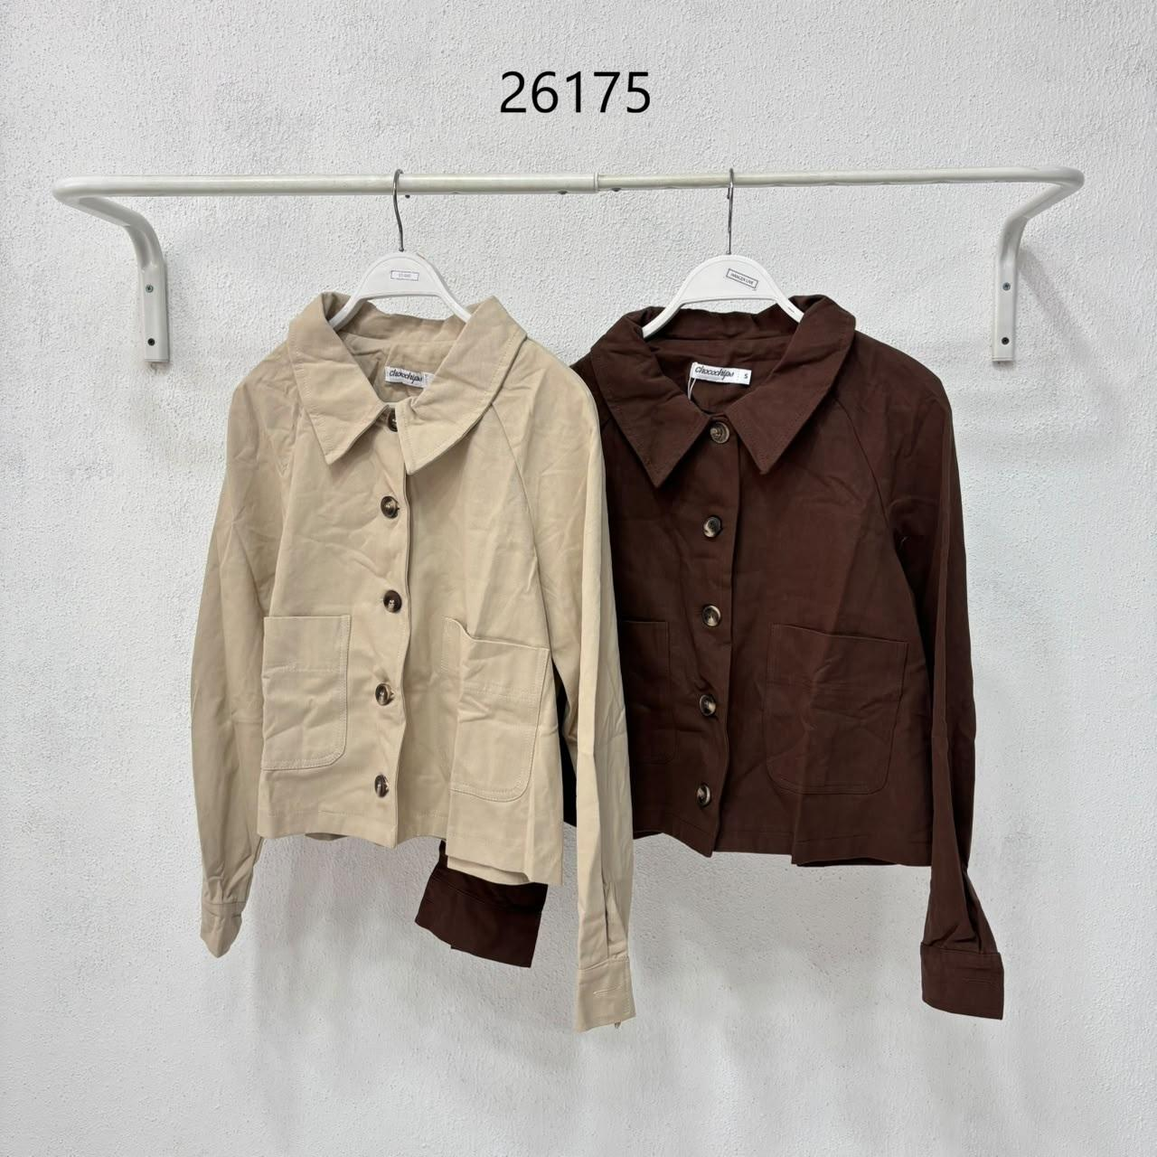
 | 5 |  | 26175
 |  |  | Skylar Jacket | 495,000 | Beige | S | F26IOK080BES | 38 | 133
 |  |  |  |  |  | M | F26IOK080BEM | 38
 |  |  |  |  | Brown | S | F26IOK080BNS | 30
 |  |  |  |  |  | M | F26IOK080BNM | 27

 |  |  |  |  |  |  |  |  | 1222

